Bug report1
BUG ID | BUG001

BUG NAME | The wish lists with the same name cannot be added to the wish list table, and the user did not receive any notification about that.

DESCRIPTION | When the user wants to add a wish list and in the "Name" field, enter the name that already exists as the name of the wish list and click on the "Save" button, nothing happens. It seems that this action was carried out, although it was not. The wish list is not added to the table, but he does not receive any notification about it. The previous state of the table stays the same, but the user has the impression that it has changed and that the list has been added.

STEPS TO REPRODUCE | Precondition |  | Test Steps
 | 1. User is logged in. | 1 | Click on “MY WISHLISTS” - “MY WISHLISTS” page is open.
 | 2. A wish list called "Wishlist1" already exists. | 2 | Input wishlist name “Wishlist1” in the input field “Name” in section “NEW WISHLIST”
 |  | 3 | Click on the button “Save”

EXPECTED RESULT | Another wish list called "Wishlist1" has been added to the wish list table, or a notification message is displayed stating that it is not possible to add a new wish list with a name that already exists.

ACTUAL RESULAT | No change. The wish list table has stayed the same as before the new wish list "Wishlist1" was added. There is no notification message.

SCREENSHOT | 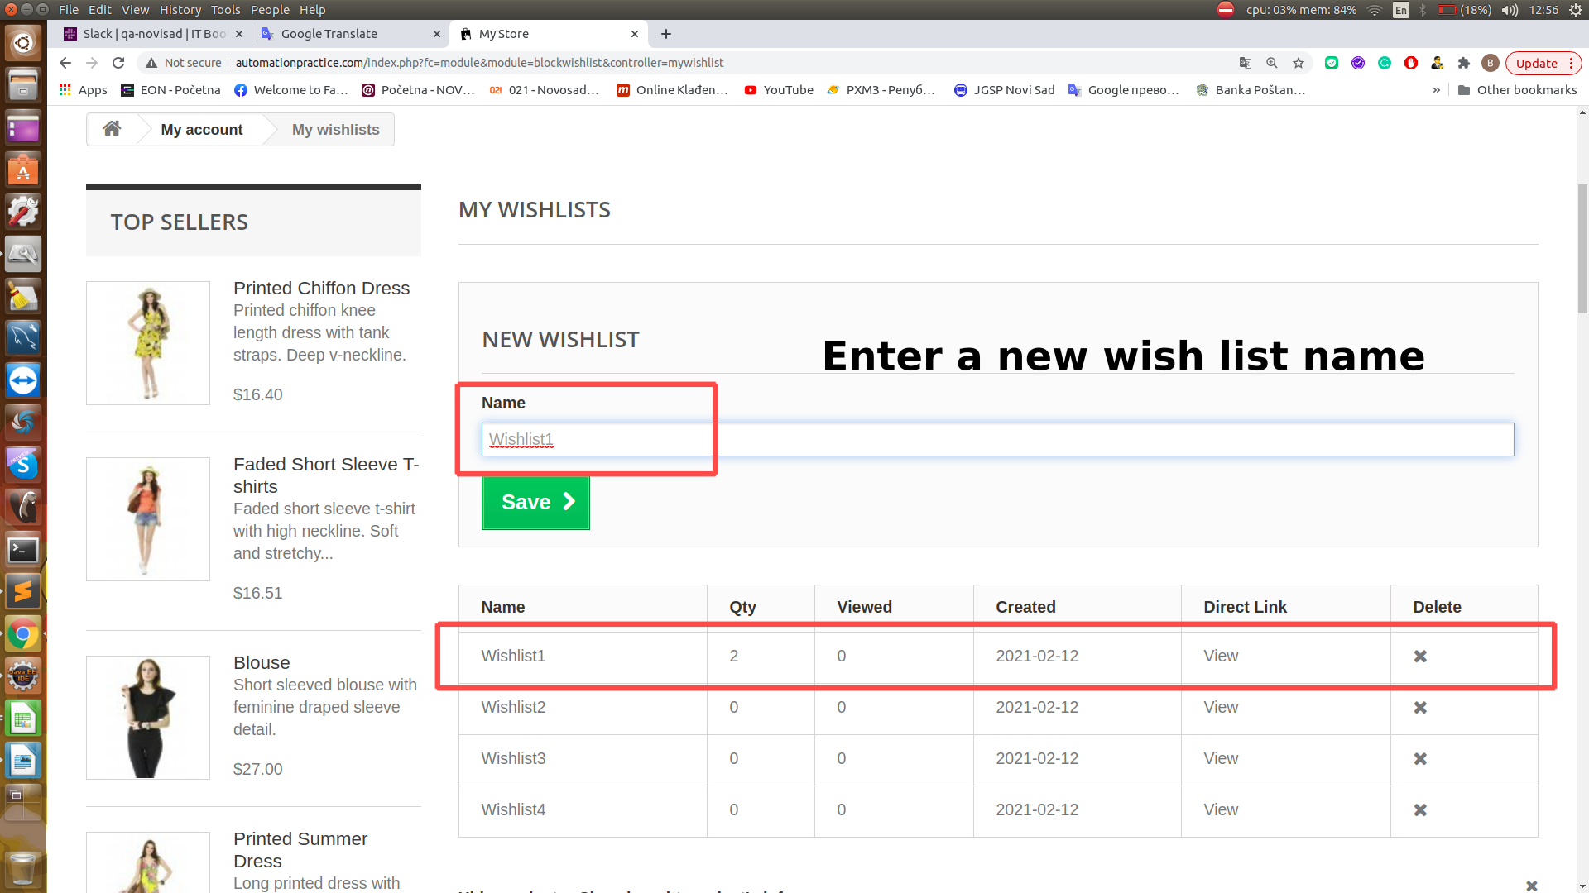 |  | 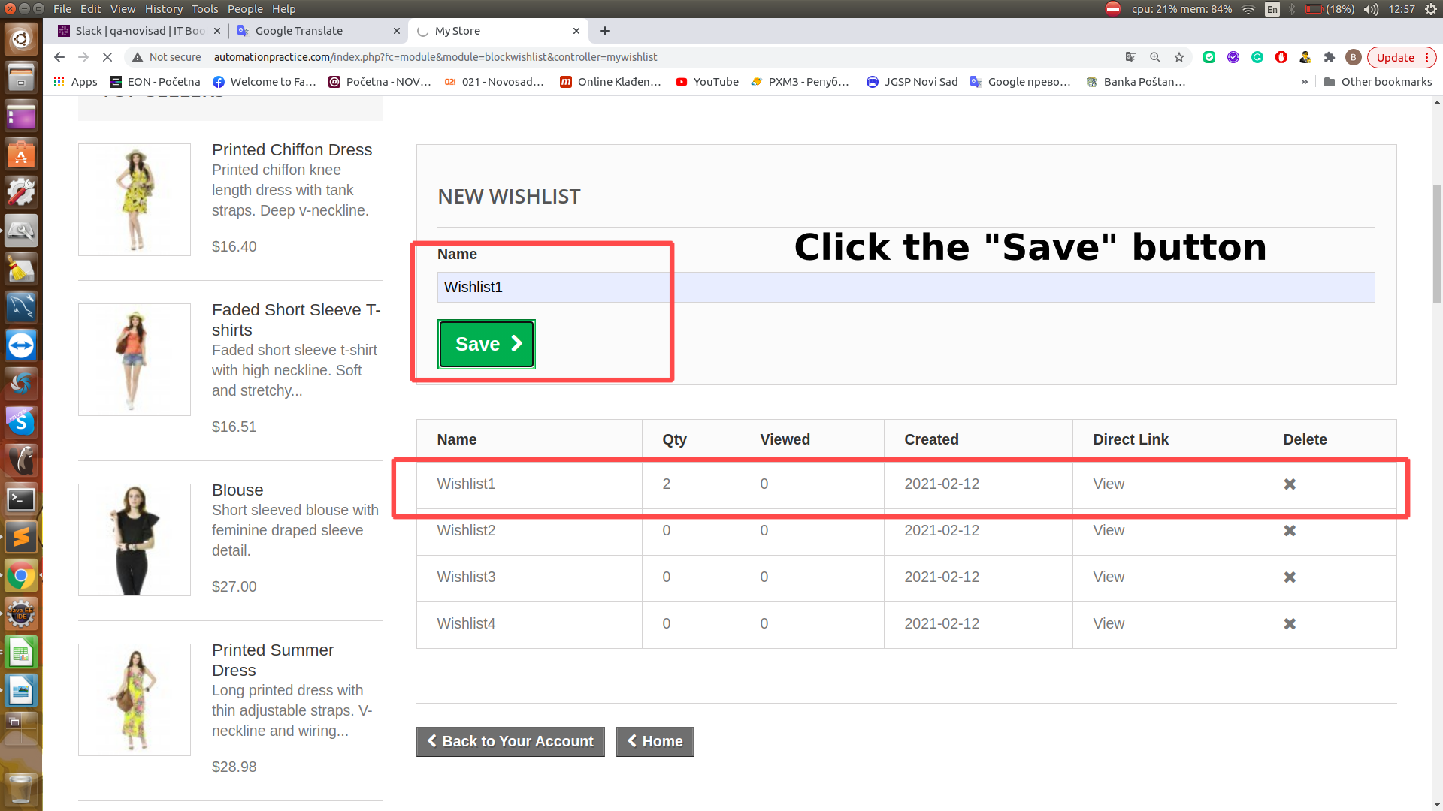 | 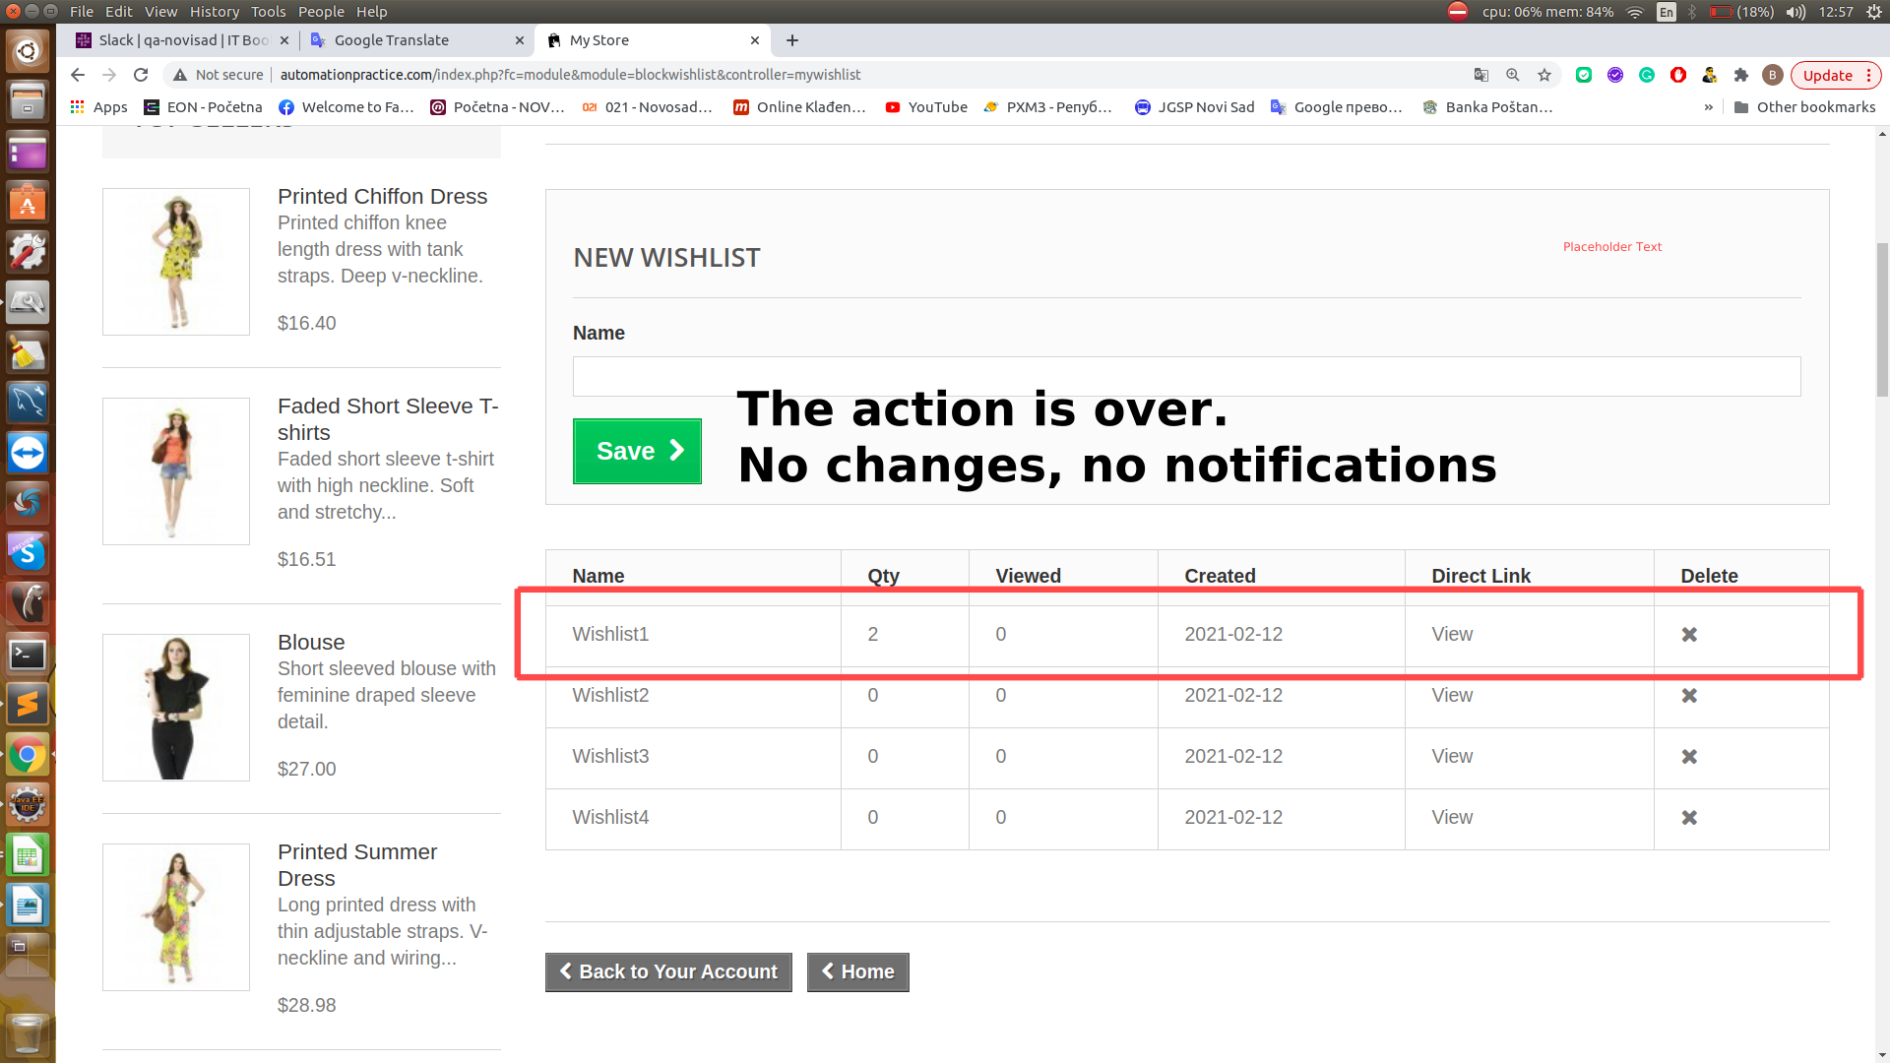

ENVIROMENT | OS: Linux, Ubuntu 16.04 Browser: Chrome

TIME STAMP | 11.02.2021. 13:31

ASSIGNED TO | /

REPORT RATE | 100.00%

SEVERITY | low

PRIORITY | low

